3. POSTMAN (HILYA)
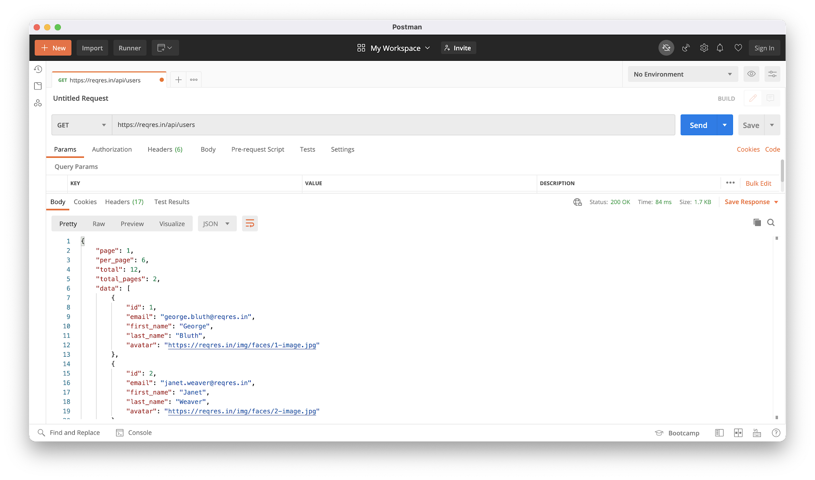
https://reqres.in/ GET List User
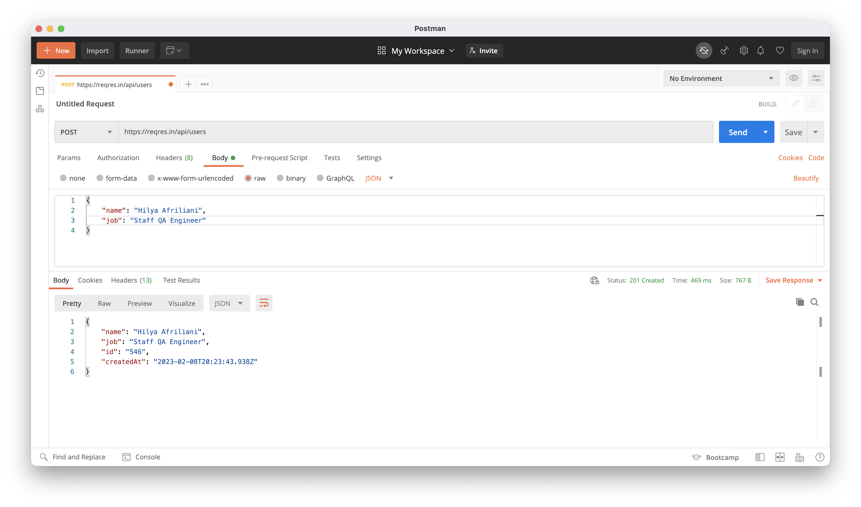
b. https://reqres.in/ POST Create using your own data

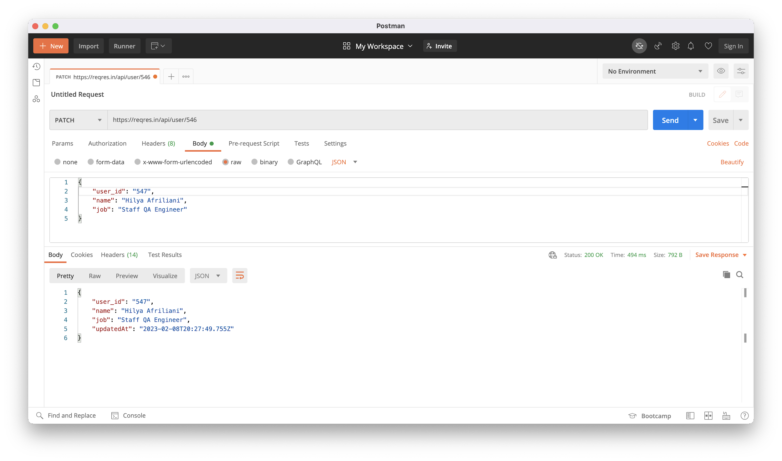
c. https://reqres.in/PATCH Update your user id in point b

6. DESCRIBE PIC (HILYA)
Please describe this picture based on your experience in software testing

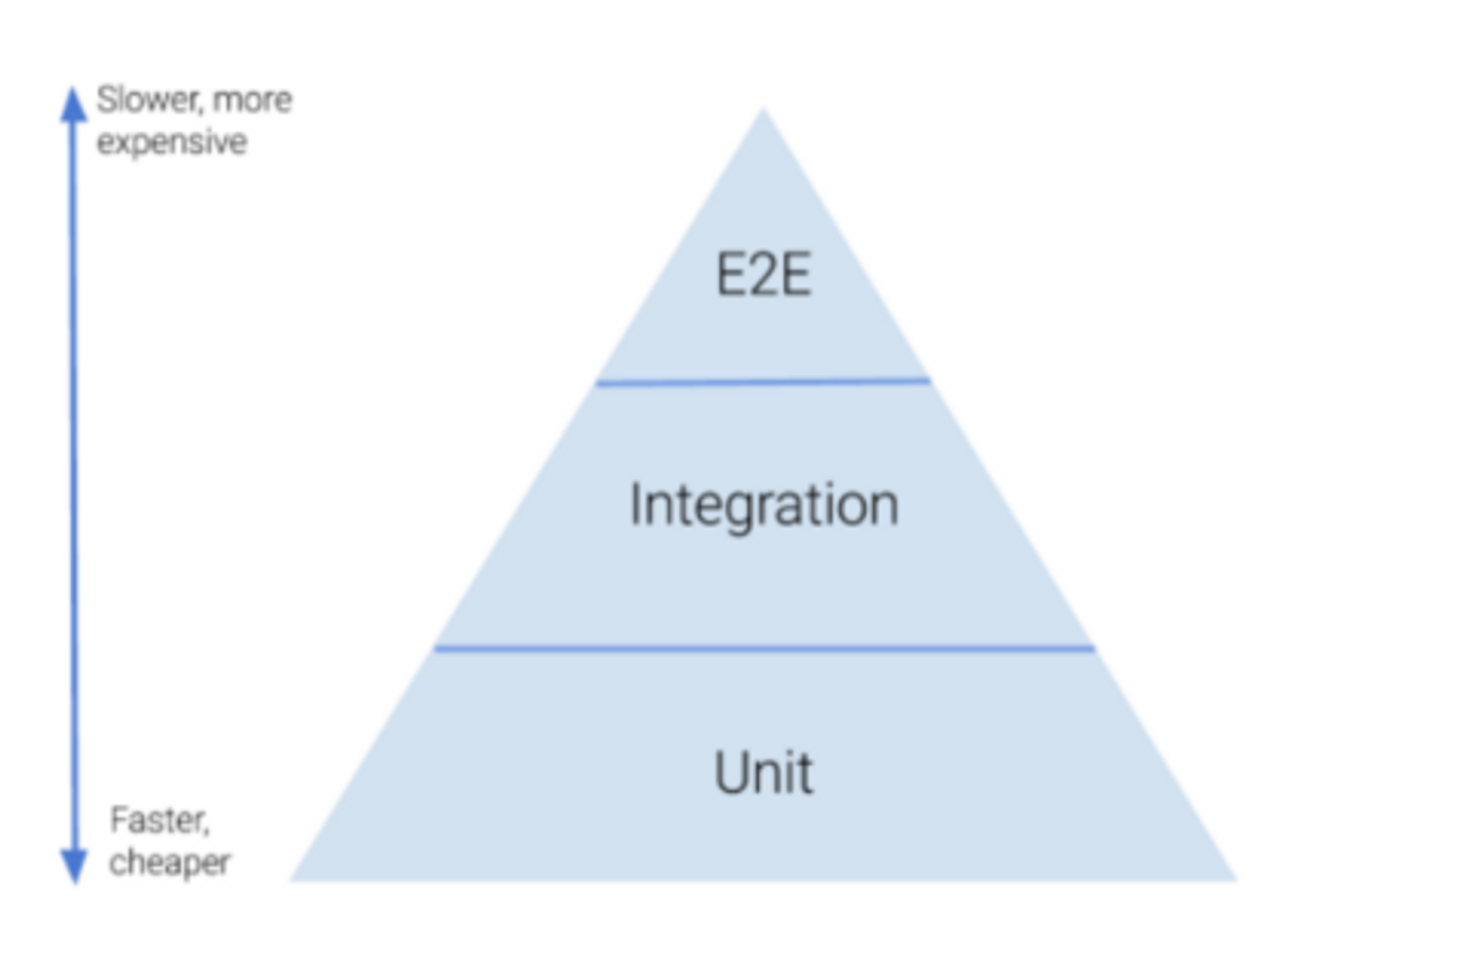
 | Unit tests are the easiest tests to write because you can expect specific results for your input. For example, if you want to test a networking function, you should use mock/fake data for both positive and negative responses.

 | Integration tests ensure that different parts of an application work together. These tests are usually written by test engineers before merging any code. For example, you will use real network responses by hitting the real server endpoint, and test that the small units you have written are able to work together.

 | E2E (End-to-end) tests simulate a specific user interaction flow with your app, including UI or API tests. For example, you should test the user journeys of the app by using real network response by hitting the real server endpoints.

 | Running tests that take a long time to execute affects developers productivity. Therefore, it is recommended to write more unit tests, fewer integration tests, and a minimum set of end-to-end tests.

